Getting started
Getting Started

1. Go to the "Licensed Places 2015-2025" tab. It should look like this:
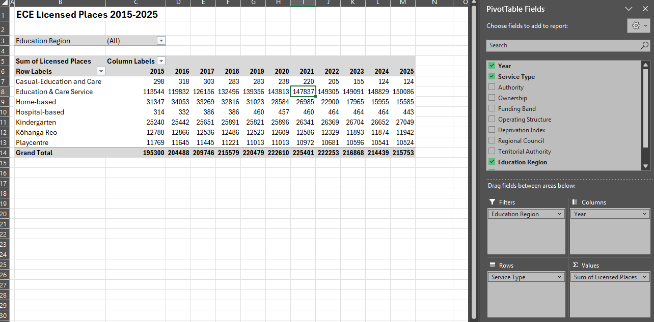

2. Clicking anywhere within the table will make the PivotTable Field List appear on the right-hand side of your screen. This is the tool you use to edit what your table will look like. Clicking outside of the table will make it disappear.

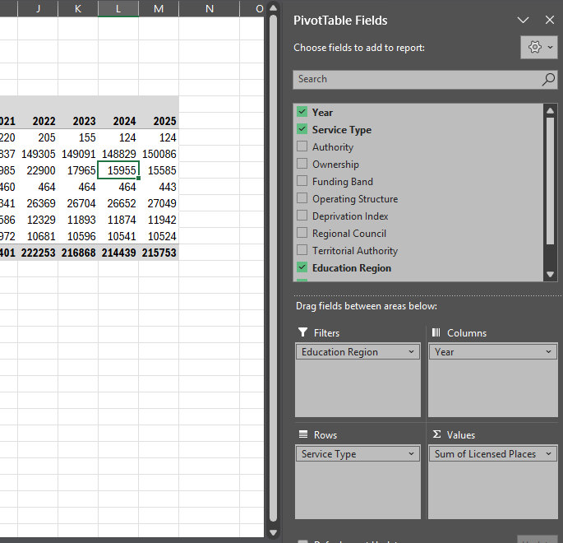
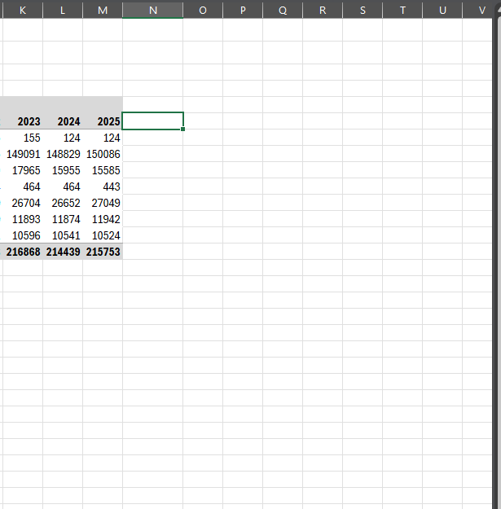

3. Using the PivotTable Field list to edit your table:
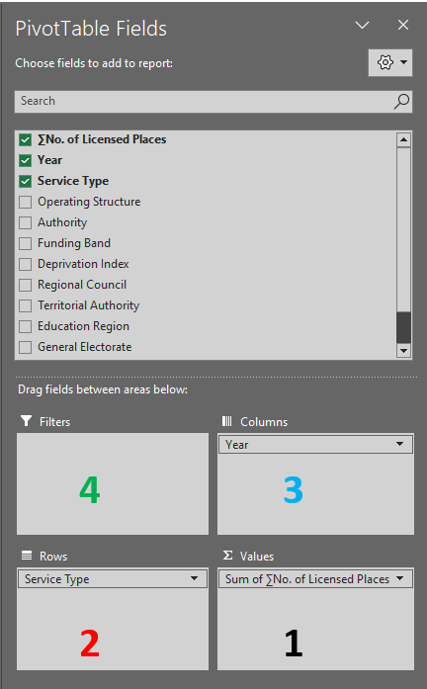
1. ∑ values is automatically set to "∑ No. of Licensed Places". This gives you the number of licensed places. See Technical notes for more information.

2. "Row labels"- Drag any variable from the field list, except '∑ No. of Licensed Places', into this box and it will show up down the left-hand side of the table. Un-tick field to remove it, or drag it into another box.

3. "Column Labels"- Drag any variable from the field list, except '∑ No. of Licensed Places', into this box and it will show across the top of the table. Un-tick field to remove it or drag it into another box.

4. Drag any variable from the field list, except '∑ No. of Licensed Places', into this box and it will appear as a filter above the table. If you click on the drop down list you can limit the service type/region/……. you are interested in. See picture below:

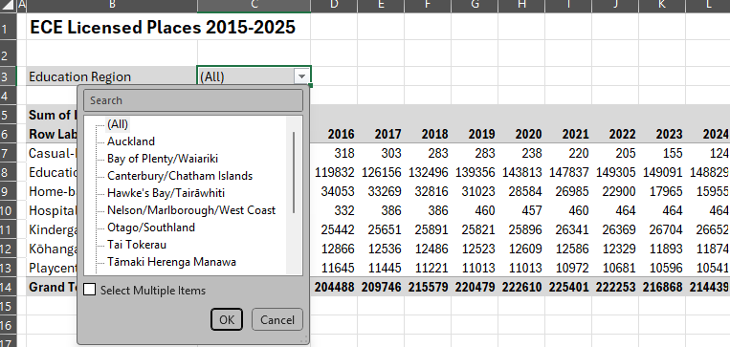

NOTE: The data reported here is based on each year from 2015-2025. If "Year" is not included as a column or row filter, it is important to select it as a "report filter" so results are limited to a single year. Otherwise, the numbers will automatically be summed across all years of data and give meaningless results.

A filter symbol appears next to variable label if results are being limited. To reset this click on the symbol and select (all) instead.

See 'Technical Notes' tab for more detailed description of each variable.

